Sheet1
 |  |  | VLOOKUP

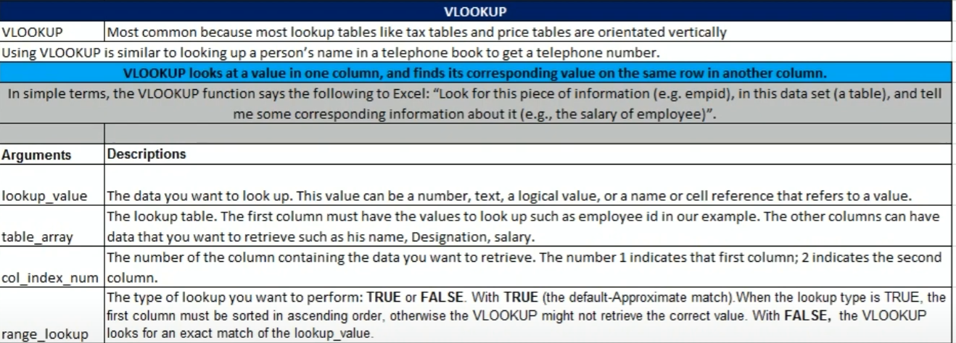

Empid | EmpName | Designation | Salary
IND1006 | vipin | Supervisor | $5,466.00
IND1003 | deepak | TL | $6,000.00
IND1005 | avinash | Analyst | $8,000.00
IND1008 | abhishek | Investor | $21,512.00
IND1010 | rahul | coordinator | $26,326.00
IND1009 | ashish | Designer | $26,596.00
IND1001 | Himanshu | manager | $30,500.00
IND1002 | Prakash | developer | $40,500.00
IND1004 | akash | MIS executive | $50,000.00
IND1007 | shubham | Developer | $578,454.00

Empid | Salary |  | exact match (0,False)
IND1006
formula

EmpName | Salary |  | exact match (0,false)
ashish
formula

developer

Employee | Sales | Bonus Commision %?
Harsha Jawre | 23,500.00 |  |  | Sales | Bonust Comm %
shivam purohit | 35,500.00 |  |  | 0 | 0%
kapil sharma | 12,000.00 |  |  | 10000 | 1%
vicky kaushal | 45,450.00 |  |  | 20000 | 2%
aman kumar | 65,010.00 |  |  | 30000 | 3%
Surbhi Jain | 57,845.00 |  |  | 40000 | 4%
Akshat jain | 35,648.00 |  |  | 50000 | 5%
 |  |  |  | 60000 | 6%

Optimised VLOOKUP #N/A and IFERROR or IF
Empid | EmpName | Designation | Salary
IND1006 | vipin | Supervisor | $5,466.00
IND1003 | deepak | TL | $6,000.00
IND1005 | avinash | Analyst | $8,000.00
IND1008 | abhishek | Investor | $21,512.00
IND1010 | rahul | coordinator | $26,326.00
IND1009 | ashish | Designer | $26,596.00
IND1001 | Himanshu | manager | $30,500.00
IND1002 | Prakash | developer | $40,500.00
IND1004 | akash | MIS executive | $50,000.00
IND1007 | shubham | Developer | $578,454.00

EmpName | Salary
kk |  | <<<<< this is not good to show in any official doc .. To make it optimised check below
 |  | <<<<< this is an optimised way

VlookUP as a Formula Element
Product | Part Number | Unit | Price
samsung | 1000-2541 | 25 | $26.95
nokia | 1001-2542 | 26 | $26.95
moto | 1000-2542 | 47 | $26.95
oppo | 1001-2543 | 12 | $26.95
samsung | 1000-2543 | 43 | $26.95
nokia | 1001-2544 | 58 | $26.95
moto | 1000-2544 | 95 | $26.95
vivo | 1001-2545 | 58 | $26.95

Product | Units | Total
moto | 3

